Results
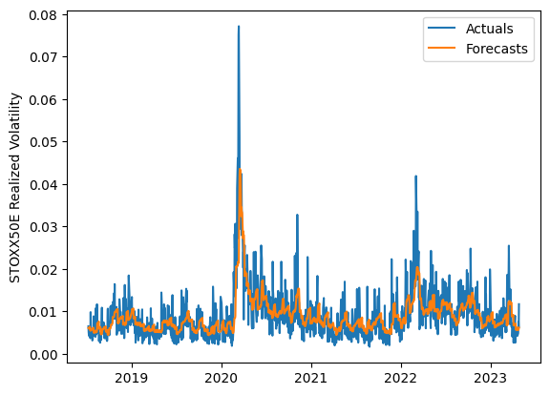
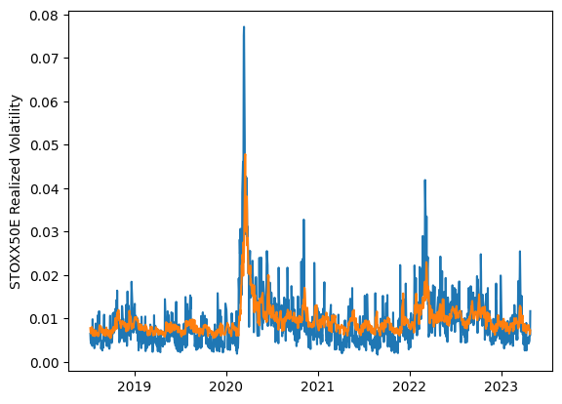
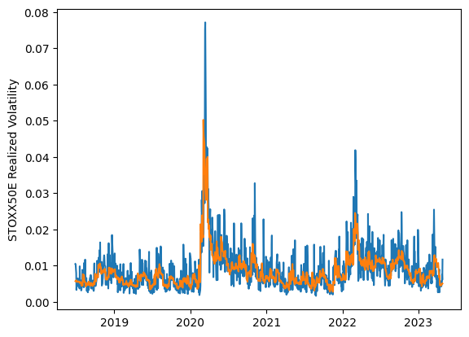
 | LSTM |  |  | TCN |  |  | NBEATSx |  |  |  |  | LSTM |  |  | TCN |  |  | NBEATSx
 | Accuracy | RMSE | Qlike | Accuracy | RMSE | Qlike | Accuracy | RMSE | Qlike |  |  | Accuracy | RMSE | Qlike | Accuracy | RMSE | Qlike | Accuracy | RMSE | Qlike
Trial 1 | 57.72% | 0.318% | 0.116 | 50.41% | 0.342% | 0.145 | 65.57% | 0.282% | 0.088 |  | Mean | 56.60% | 0.326% | 0.120 | 49.52% | 0.347% | 0.149 | 65.63% | 0.280% | 0.086
Trial 2 | 54.16% | 0.333% | 0.129 | 45.48% | 0.359% | 0.165 | 66.40% | 0.280% | 0.086 |  | Standard Deviation | 4.07% | 0.014% | 0.015 | 3.94% | 0.016% | 0.016 | 0.72% | 0.002% | 0.002
Trial 3 | 54.73% | 0.332% | 0.126 | 53.38% | 0.333% | 0.134 | 64.93% | 0.282% | 0.086 |  | 95% CI upper bound | 64.74% | 0.354% | 0.150 | 57.39% | 0.378% | 0.181 | 67.08% | 0.285% | 0.090
Trial 4 | 55.35% | 0.326% | 0.124 | 53.81% | 0.333% | 0.133 | 65.24% | 0.282% | 0.087 |  | 95% CI lower bound | 48.45% | 0.297% | 0.090 | 41.64% | 0.316% | 0.118 | 64.18% | 0.276% | 0.083
Trial 5 | 59.48% | 0.314% | 0.109 | 50.43% | 0.342% | 0.146 | 66.52% | 0.277% | 0.086 |  | 99.7% CI upper bound | 68.82% | 0.369% | 0.165 | 61.33% | 0.393% | 0.197 | 67.81% | 0.287% | 0.092
Trial 6 | 58.79% | 0.317% | 0.112 | 42.22% | 0.377% | 0.179 | 66.63% | 0.278% | 0.088 |  | 99.7% CI lower bound | 44.38% | 0.282% | 0.075 | 37.71% | 0.300% | 0.102 | 63.46% | 0.274% | 0.081
Trial 7 | 60.13% | 0.316% | 0.108 | 51.70% | 0.340% | 0.141 | 65.34% | 0.282% | 0.087
Trial 8 | 60.04% | 0.313% | 0.108 | 51.47% | 0.338% | 0.141 | 66.41% | 0.278% | 0.086
Trial 9 | 60.46% | 0.315% | 0.107 | 53.38% | 0.332% | 0.133 | 65.74% | 0.278% | 0.084
Trial 10 | 61.29% | 0.311% | 0.104 | 49.30% | 0.343% | 0.151 | 65.40% | 0.281% | 0.088
Trial 11 | 53.63% | 0.337% | 0.131 | 47.10% | 0.356% | 0.159 | 65.86% | 0.282% | 0.090
Trial 12 | 53.90% | 0.332% | 0.129 | 51.99% | 0.337% | 0.139 | 64.90% | 0.283% | 0.086
Trial 13 | 45.34% | 0.368% | 0.163 | 53.23% | 0.333% | 0.136 | 63.95% | 0.282% | 0.083
Trial 14 | 55.88% | 0.329% | 0.122 | 46.85% | 0.356% | 0.160 | 66.01% | 0.276% | 0.084
Trial 15 | 58.08% | 0.320% | 0.114 | 42.02% | 0.380% | 0.180 | 65.58% | 0.281% | 0.087

 | LSTM (best trial) |  |  |  |  |  |  |  |  | TCN (best trial) |  |  |  |  |  |  |  |  | NBEATSx (best trial)

